Laser engine BOM
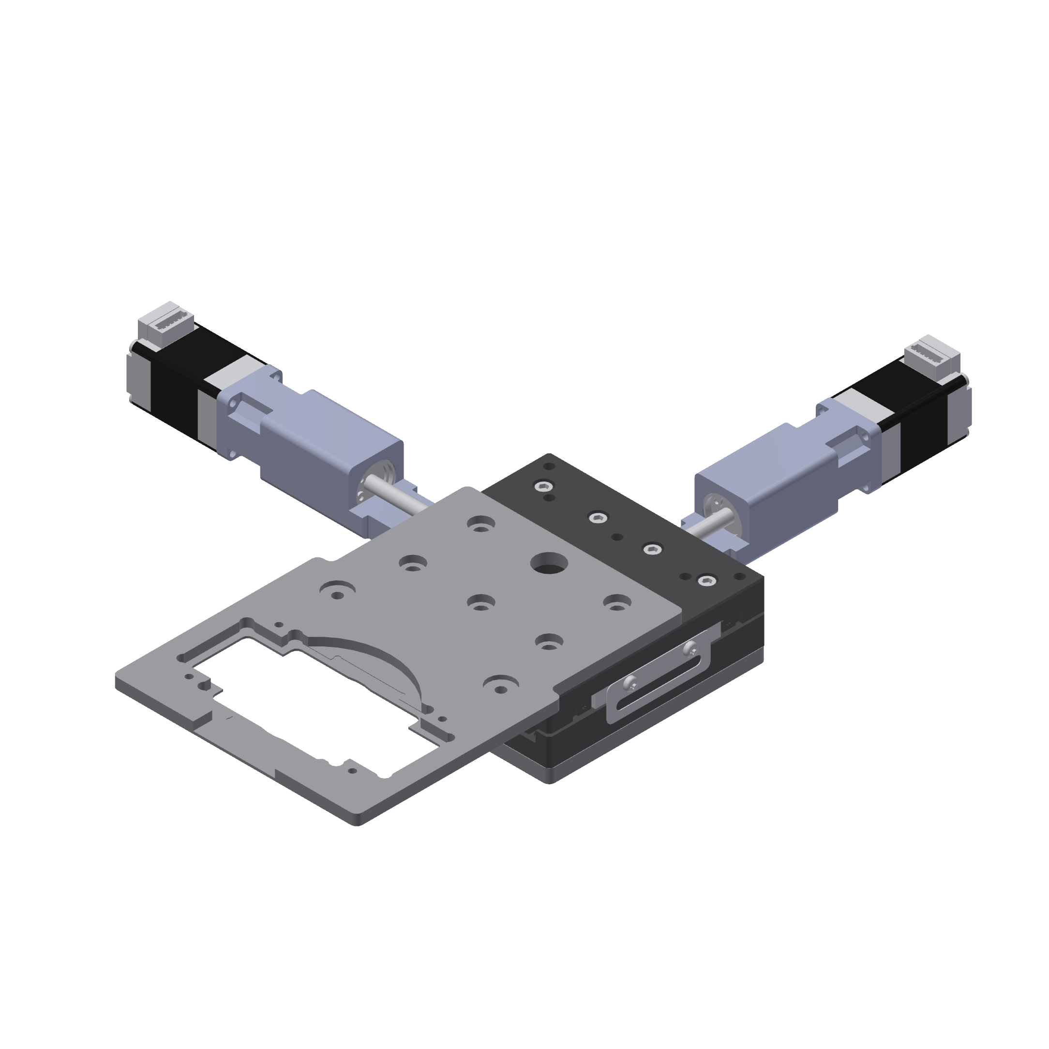
# | Description | Vendor | Part Number / File for CNC machining | Qty | Unit Price | Vendor Contact | Image Reference
 | 30 mm x 30 mm travel motorized stage (the specified travel of the stage is 25 mm but actual travel is larger - close to 30 mm x 30 mm)
1 | cross roller bearing linear stage, aluminum, ±12.5mm | dg-sl | LY80-CB (product page) | 1 | $168.00 | https://seln.taobao.com
2 | size 8 captive linear actuator | Nanotec | LGA201S06-B-TDBA-038 | 2 | $152.00 | https://us.nanotec.com/products/2838-lga201s06-b-tdba-038
3 | adapter for mounting linear actuator to LY80-CB | XTJ-tech | adapter_LY80-CB_LGA20.stp | 2 | $25.00
4 | adapter for mounting LY80-CB to 1.5" post | XTJ-tech | adapter_LY80-CB_post_v2.zip | 1 | $20.00
5 | glass slide/petridish holder (MIC-6 Al) | XTJ-tech | sample holder_v2.1.stp | 1 | $35.00
6 | M4 x 10 mm socket head screw | McMaster-Carr | 91292A116 | 4
7 | 1/4-20 set screw |  |  | 1
8 | M4 low profile socket head screw (4 mm length) | McMaster-Carr | 92855A401 | 4
Total: $577.00

